Cover Page
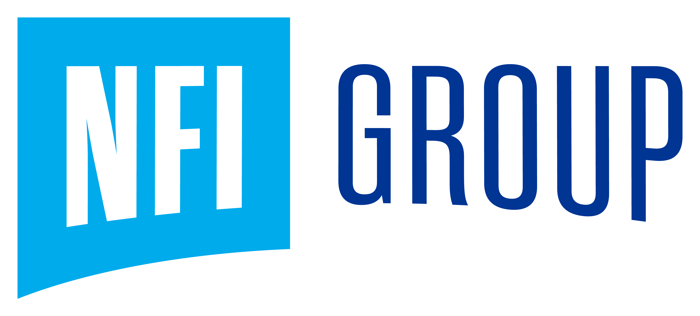

Investor Workbook
2025 Q4

